Sheet1
Test Case ID |  | TC_Practical-001 | Test Case Desc | Test the functuionality of calculaterapplication
Created By |  | Puja Belsare | Reviewed By |  |  | Version |  | 1.0
Tester's Name |  |  | Date Tested |  |  | Test Case Status (Passed/Failed/NE)

# | Prerequisites: |  |  | # | Test Data
1 | Windows OS |  |  | 1
2 | Notepad appilcation |  |  | 2
3 |  |  |  | 3
4 |  |  |  | 4

Test Scenario | verify that the calculater perform all mathematical calculation.

Step # | Step Details |  | Expected Results | Actual Results |  |  | Pass / Fail / Not executed / Suspended
1 | Open the Notepad |  |  See a Notepad Screen
2 | click on the Notepad application |  | 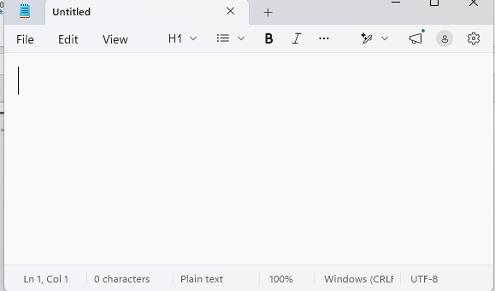 Verify that Notepad application is opened
3 | Click on File Menu. |  | 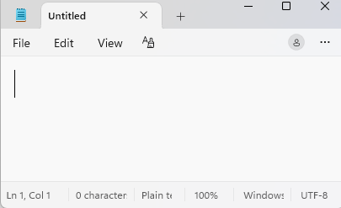 Verify that Multiple top option you can see.
4 | Type the content on the blank tob. |  | 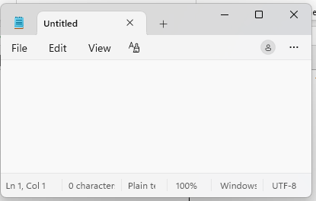 Verify you are able to type onit. | S
5 | 1.Click on save as option. 2. Give the name of
6 | Type the name Hello in the file
7
8
9
10
11
12
13
14
15
16
17
18
19
20

